KH1
Location (.bgm) | Location (.dat) | Folder | PC Number | PlayStation2 Name | Description | Loop | Full Loop | Custom Order
kh1_second |  | remastered\amusic | 97 | Dissapeared (No Intro) | Boss | Yes | No
kh1_second |  | remastered\amusic | 98 | One Winged Angel (No Intro) | Boss | Yes | No
kh1_second |  | remastered\amusic | 99 | Dissapeared | Boss | Yes | No
 | kh1_second | remastered\amusic | 101 | Deep Jungle | Deep Jungle Field | Yes | No
 | kh1_first | remastered\amusic | 102 | Having a Wild Time | Deep Jungle Battle | Yes | No
kh1_second | kh1_second | remastered\amusic | 103 | Olympus Coliseum | Olympus Coliseum Field | Yes | No
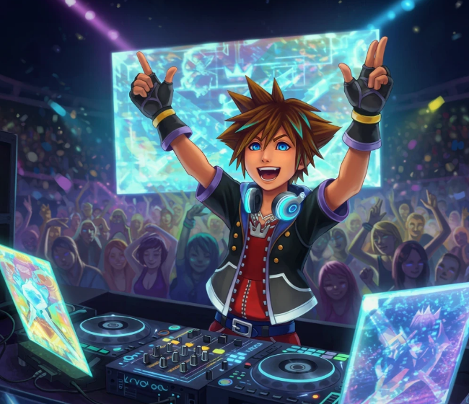
 | kh1_first | remastered\amusic | 104 | Traverse Town | Traverse Town Field | Yes | No
 | kh1_first | remastered\amusic | 105 | Destiny Islands | Destiny Islands Field | Yes | No
kh1_first |  | remastered\amusic | 106 | Where Is This (Part 1) | Cutscene | No | No
kh1_first |  | remastered\amusic | 107 | Where Is This (Part 2) | Cutscene | No | No
kh1_first |  | remastered\amusic | 108 | Where Is This (Part 3) | Cutscene | No | No
kh1_first |  | remastered\amusic | 109 | Where Is This (Part 4) | Cutscene | No | No
kh1_second | kh1_first | remastered\amusic | 110 | Dearly Beloved | Title | Yes | No
kh1_second | kh1_second | remastered\amusic | 111 | Shrouding Dark Cloud | Boss | Yes | No
 | kh1_second | remastered\amusic | 112 | Hand In Hand | Traverse Town Battle | Yes | No
kh1_second |  | remastered\amusic | 113 | The Heartless Has Come (Part 1) | Cutscene | No | No
kh1_second |  | remastered\amusic | 114 | The Heartless Has Come (Part 3) | Cutscene | Yes | No
kh1_second |  | remastered\amusic | 115 | The Heartless Has Come (Part 2) | Cutscene | No | No
 | kh1_second | remastered\amusic | 116 | Welcome To Wonderland | Wonderland Field | Yes | No
 | kh1_second | remastered\amusic | 117 | A Very Small Wish | Monstro Field | Yes | No
kh1_second | kh1_second | remastered\amusic | 118 | To Our Surprise | Wonderland Battle | Yes | No
 | kh1_first | remastered\amusic | 119 | Busting Up On The Beach | Destiny Islands Battle | Yes | No
kh1_second | kh1_second | remastered\amusic | 120 | Go For It | Olympus Coliseum Battle | Yes | No
 | kh1_second | remastered\amusic | 121 | Monstrous Monstro | Monstro Battle | Yes | No
 | kh1_second | remastered\amusic | 122 | Blast Away Gummi Ship I | Gummi Ship | Yes | No
 | kh1_second | remastered\amusic | 123 | Blast Away Gummi Ship II | Gummi Ship | Yes | No
 | kh1_second | remastered\amusic | 124 | Shipmeisters Humoresque | Gummi Hangar | Yes | No
 | kh1_second | remastered\amusic | 125 | Precious Stars In The Sky | World Map | Yes | No
kh1_second |  | remastered\amusic | 126 | Turning The Key | Cutscene | No | No
 | kh1_second | remastered\amusic | 127 | A Day In Agrabah | Agrabah Field | Yes | No
 | kh1_second | remastered\amusic | 128 | Arabian Dream | Agrabah Battle | Yes | No
 | kh1_second | remastered\amusic | 129 | Captain Hook Pirate Ship | Neverland Field (Ship) | Yes | No
 | kh1_second | remastered\amusic | 130 | Never Land Sky | Neverland Field (Clocktower) | Yes | No
 | kh1_first | remastered\amusic | 131 | Night Of Fate | Event Battle | Yes | No
kh1_first |  | remastered\amusic | 132 | Dive Into The Heart -Destati- (Parts 1-8) | Tutorial | Yes | No
 | kh1_second | remastered\amusic | 140 | Under The Sea | Atlantica Field | Yes | No
 | kh1_second | remastered\amusic | 141 | Winnie The Pooh | 100 Acre Wood Field | Yes | No
kh1_first |  | remastered\amusic | 142 | Dive Into The Heart -Destati- (Part 9) | Cutscene | Yes | No
kh1_first | kh1_second | remastered\amusic | 143 | Mickey Mouse Club March | Cutscene | Yes | No
 | kh1_second | remastered\amusic | 144 | This Is Halloween | Halloween Town Field | Yes | No
kh1_first |  | remastered\amusic | 145 | Destiny Force | Boss | Yes | No
 | kh1_second | remastered\amusic | 146 | Pirate Gigue | Neverland Battle | Yes | No
 | kh1_second | remastered\amusic | 147 | An Adventure In Atlantica | Atlantica Battle | Yes | No
 | kh1_second | remastered\amusic | 148 | Blast Away Gummi Ship III | Gummi Ship | Yes | No
 | kh1_second | remastered\amusic | 149 | Spooks Of Halloween Town | Halloween Town Field | Yes | No
kh1_second |  | remastered\amusic | 150 | Squirming Evil | Boss | Yes | No
kh1_second |  | remastered\amusic | 151 | The Deep End | Boss | Yes | No
 | kh1_second | remastered\amusic | 152 | Hollow Bastion | Hollow Bastion Field | Yes | No
 | kh1_second | remastered\amusic | 153 | Scherzo Di Notte | Hollow Bastion Battle | Yes | No
 | kh1_second | remastered\amusic | 154 | End Of The World | End Of The World Field | Yes | No
 | kh1_second | remastered\amusic | 155 | Fragments Of Sorrow | End Of The World Battle | Yes | No
kh1_second |  | remastered\amusic | 156 | Guardando Nel Buio | Boss | Yes | No
kh1_second | kh1_second | remastered\amusic | 157 | Holy Bananas | Jungle Slider | Yes | No
kh1_second |  | remastered\amusic | 158 | Bounce-O-Rama | 100 Acre Wood Minigame | Yes | No
kh1_second |  | remastered\amusic | 159 | Once Upon a Time | Cutscene | No | No
kh1_first |  | remastered\amusic | 160 | Kairi I | Cutscene | Yes | No
kh1_second |  | remastered\amusic | 161 | Kairi II | Cutscene | Yes | No
kh1_second |  | remastered\amusic | 162 | Villains Of A Sort (Short) | Cutscene | No | No
kh1_second |  | remastered\amusic | 163 | Villains Of A Sort | Cutscene | Yes | No
kh1_second |  | remastered\amusic | 164 | Road To Hero | Olympus Coliseum Minigame | Yes | No
kh1_second |  | remastered\amusic | 165 | This Is Halloween (Alternative) | Cutscene | Yes | No
kh1_second |  | remastered\amusic | 166 | Strange Whispers (Previous Version) | Cutscene | No | No
kh1_second |  | remastered\amusic | 167 | Strange Whispers (Short Alt 1) | Cutscene | No | No
kh1_first |  | remastered\amusic | 168 | Strange Whispers | Cutscene | Yes | No
kh1_second |  | remastered\amusic | 169 | Strange Whispers (Short Alt 2) | Cutscene | No | No
kh1_second |  | remastered\amusic | 170 | A Piece Of Peace | Cutscene | Yes | No
kh1_second |  | remastered\amusic | 171 | Strange Whispers (Short Alt 3) | Cutscene | No | No
kh1_first |  | remastered\amusic | 172 | A Walk In Adante | Cutscene | Yes | No
kh1_second |  | remastered\amusic | 173 | No Time To Think | Cutscene | Yes | No
kh1_second |  | remastered\amusic | 174 | An Intense Situation | Cutscene | Yes | No
kh1_second |  | remastered\amusic | 175 | Kairi In Cabin | Cutscene | No | No
kh1_second |  | remastered\amusic | 176 | Friends In My Heart | Cutscene | Yes | No
kh1_second |  | remastered\amusic | 177 | Tricksy Clock | Cutscene | No | No
kh1_first |  | remastered\amusic | 178 | Treasured Memories | Cutscene | Yes | No
kh1_second |  | remastered\amusic | 179 | Miracle | Cutscene | No | No
kh1_second |  | remastered\amusic | 180 | Kairi III | Cutscene | Yes | No
kh1_second |  | remastered\amusic | 181 | Hikari (Sora's Sacrifice) | Cutscene | No | No
kh1_second |  | remastered\amusic | 182 | Mickey Mouse Club March (Short) | Cutscene | No | No
kh1_second |  | remastered\amusic | 183 | Oopsy-Daisy | Cutscene | No | No
kh1_second | kh1_second | remastered\amusic | 184 | Merlin Magical House | Cutscene | Yes | No
kh1_second |  | remastered\amusic | 185 | Forze Del Male | Boss | Yes | No
kh1_second |  | remastered\amusic | 186 | Plenty Of Hunny | Cutscene | No | No
kh1_second |  | remastered\amusic | 187 | Just An Itty Bitty Too Much | Cutscene | Yes | No
kh1_first |  | remastered\amusic | 188 | It Began With A Letter | Cutscene | Yes | No
kh1_first |  | remastered\amusic | 189 | Blast Away Gummi Ship I (Fakeout) | Cutscene | No | No
kh1_first |  | remastered\amusic | 190 | Blast Away Gummi Ship I (Takeoff) | Cutscene | No | No
kh1_second |  | remastered\amusic | 191 | Beyond The Door | Cutscene | No | No
kh1_second |  | remastered\amusic | 192 | Always On My Mind | Cutscene | No | No
kh1_second |  | remastered\amusic | 193 | Dearly Beloved Reprise | Battle Report | Yes | No
kh1_second |  | remastered\amusic | 194 | Guardando Nel Buio (No Intro) | Boss | Yes | No
kh1_second |  | remastered\amusic | 196 | One Winged Angel | Boss | Yes | No
kh1_second |  | remastered\amusic | 197 | Night On Bald Mountain | Boss | Yes | No

